Sheet1
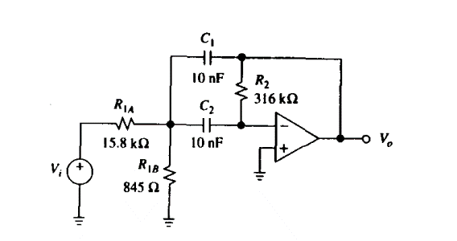
Source book: by S-Franco "Design-With-Operational-Amplifiers-and-Analog-Integrated-Circuits" pf 141
 |  | Enter values for blue boxes
Choose
fmid | 1100 | hz | in rad/s >> | ωo is | 6911.5038379 | rad/s
Q | 10 |  | , to verify get the -3dB freq values, use Q = fm/ BW
Ho | 0 | dB | ,resonance gain magnitude

Pick C == | 100 | nF | >> | 0.0000001 | F

Ho is | 1 | V/V
Is | 1 | < | 200 | If we want Ho < 2Q^2, use R1a and R1b. Don’t use the equilivant resistance of R1a & R1b
 | ^Ho val^ |  | ^2Q val^ |  |  |  | See below what happens if equilivant resistance "Req" is used, the magnitude increases in x^2 manner as we sweep the frequency range
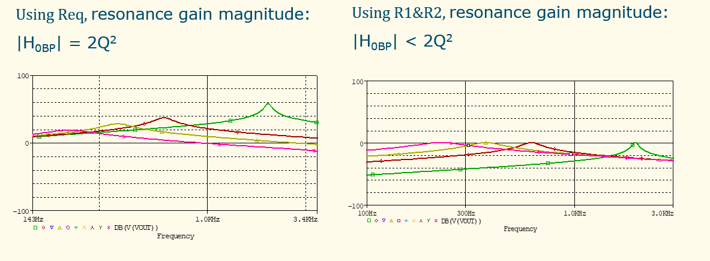

Resistor calculated values
R2 is | 28937.26 | ohms>> | 28.94 | k ohms
R1a is | 14468.63119 | ohms>> | 14.47 | k ohms
R1b is | 72.71 | ohms>> | 0.07 | k ohms

Range of R1b: |  |  |  | R1b value
For | 200 | Hz | >> | 2188.53 | ohms
 | 2000 | Hz | >> | 21.89 | ohms

Expected fmid calcuations
To calculate fmid, using Resistor values, and setting C1= C2 = 100nF
R2 | 33000 | ohms |  | set C = | 0.0000001 | F
R1 | 14720 | ohms

Set R3 to: | 150 | ohms | >> | 718.98 | Hz (fmid)

Expected fmid calcuations
To calculate fmid using exact component values of all resistors and capictors
 | R1 | 14720
 | R2 | 33000

 | C1 | 0.000000095 | nF
 | C2 | 9.64E-08 | nF

 | Set R3 to: | 150 | ohms >> | 751.30934688 | Hz (fmid)

Sheet4
Q v R1b
Calculating values for Q and bandwidth within the expected frequency range of operation
 | These values appear from sheet1
 | Fmid: | 1100 | Hz
 | C: | 0.0000001 | F
 | R2: | 28937.26 | ohms
 | R1a: | 14468.63 | ohms

R1b variable:
Increment |  | Freq (Hz) | R1b (ohms) | Req of R1a & R1b (ohms) | Q | BW (Hz) | HoBP | |HoBP|
100 |  | 200 | 2188.53 | 1900.99 | 1.95 | 563.88 | -7.61 | 7.611113289
 |  | 300 | 972.68 | 911.41 | 2.82 | 390.44 | -15.88 | 15.8750049
 |  | 400 | 547.13 | 527.20 | 3.70 | 296.95 | -27.44 | 27.444453156
Q & BW v R1b
 |  | 500 | 350.17 | 341.89 | 4.60 | 239.13 | -42.32 | 42.319458056
 |  | 600 | 243.17 | 239.15 | 5.50 | 200.00 | -60.50 | 60.500019601
 |  | 700 | 178.66 | 176.48 | 6.40 | 171.81 | -81.99 | 81.98613779
 |  | 800 | 136.78 | 135.50 | 7.31 | 150.55 | -106.78 | 106.77781262
 |  | 900 | 108.08 | 107.27 | 8.21 | 133.95 | -134.88 | 134.8750441
 |  | 1000 | 87.54 | 87.01 | 9.12 | 120.64 | -166.28 | 166.27783223
 | fmid-> | 1100 | 72.35 | 71.99 | 10.02 | 109.73 | -200.99 | 200.98617699
 |  | 1200 | 60.79 | 60.54 | 10.93 | 100.63 | -239.00 | 239.0000784
 |  | 1300 | 51.80 | 51.61 | 11.84 | 92.91 | -280.32 | 280.31953646
 |  | 1400 | 44.66 | 44.53 | 12.75 | 86.30 | -324.94 | 324.94455116
 |  | 1500 | 38.91 | 38.80 | 13.65 | 80.56 | -372.88 | 372.87512251
 |  | 1600 | 34.20 | 34.12 | 14.56 | 75.54 | -424.11 | 424.1112505
 |  | 1700 | 30.29 | 30.23 | 15.47 | 71.10 | -478.65 | 478.65293513
 |  | 1800 | 27.02 | 26.97 | 16.38 | 67.16 | -536.50 | 536.50017641
 |  | 1900 | 24.25 | 24.21 | 17.29 | 63.63 | -597.65 | 597.65297433
 |  | 2000 | 21.89 | 21.85 | 18.19 | 60.46 | -662.11 | 662.1113289

